CFO e-mail
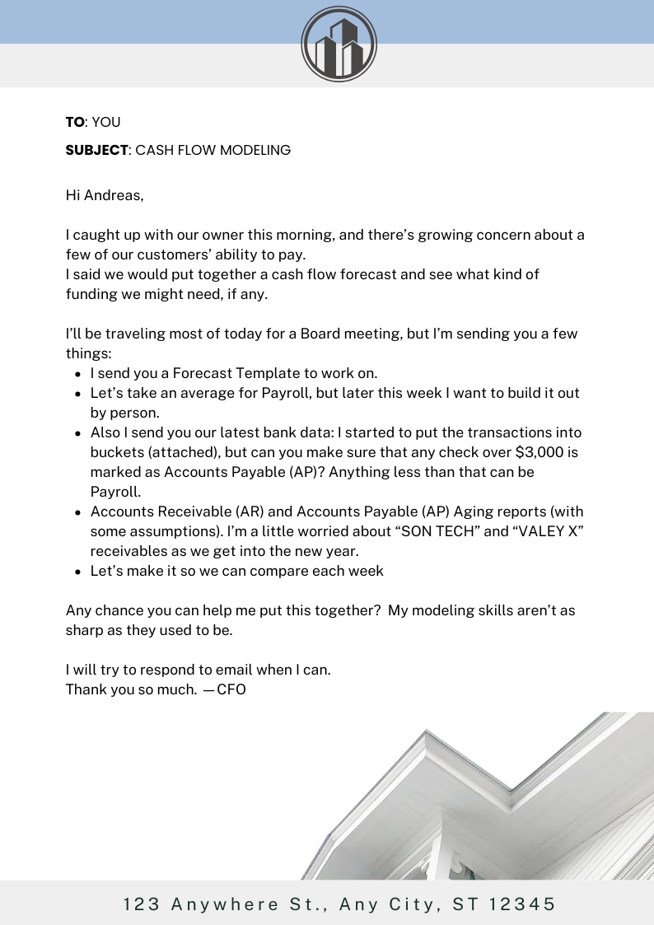

SUMMARY
Master Error Check Cell | 0

Actual / Forecast |  | Actual | Actual | Actual | Actual | Actual | Actual | Forecast | Forecast | Forecast | Forecast | Forecast | Forecast | Forecast | Forecast | Forecast | Forecast | Forecast | Forecast | Forecast
Week Number |  | 1 | 2 | 3 | 4 | 5 | 6 | 7 | 8 | 9 | 10 | 11 | 12 | 13 | 14 | 15 | 16 | 17 | 18 | 19
Week Beginning |  | 2023-10-22 | 2023-10-29 | 2023-11-05 | 2023-11-12 | 2023-11-19 | 2023-11-26 | 2023-12-03 | 2023-12-10 | 2023-12-17 | 2023-12-24 | 2023-12-31 | 2024-01-07 | 2024-01-14 | 2024-01-21 | 2024-01-28 | 2024-02-04 | 2024-02-11 | 2024-02-18 | 2024-02-25
Week Ending |  | 2023-10-28 | 2023-11-04 | 2023-11-11 | 2023-11-18 | 2023-11-25 | 2023-12-02 | 2023-12-09 | 2023-12-16 | 2023-12-23 | 2023-12-30 | 2024-01-06 | 2024-01-13 | 2024-01-20 | 2024-01-27 | 2024-02-03 | 2024-02-10 | 2024-02-17 | 2024-02-24 | 2024-03-02

Cash Balance
Beginning Cash |  | $345,580 | $210,210 | $174,090 | $239,110 | $43,360 | $325,260 | $215,160 | $112,042 | $156,995 | $399,451 | $415,303 | $382,732 | $316,374 | $519,443 | $532,143 | $472,334 | $279,031 | $412,253 | $580,273
Change in Cash |  | ($135,370) | ($36,120) | $65,020 | ($195,750) | $281,900 | ($110,100) | ($103,118) | $44,954 | $242,456 | $15,852 | ($32,571) | ($66,358) | $203,069 | $12,700 | ($59,809) | ($193,303) | $133,221 | $168,020 | ($289,083)
Ending Cash |  | $210,210 | $174,090 | $239,110 | $43,360 | $325,260 | $215,160 | $112,042 | $156,995 | $399,451 | $415,303 | $382,732 | $316,374 | $519,443 | $532,143 | $472,334 | $279,031 | $412,253 | $580,273 | $291,190
Per Data |  | $210,210 | $174,090 | $239,110 | $43,360 | $325,260 | $215,160 | - | - | - | - | - | - | - | - | - | - | - | - | -
Double-Check |  | - | - | - | - | - | - | - | - | - | - | - | - | - | - | - | - | - | - | -
Last Week's Forecast |  | - | - | - | - | - | - | - | - | - | - | - | - | - | - | - | - | - | - | -

Cash Inflows
Invoiced AR + New Revenue |  | - | $372,100 | $210,150 | - | $361,430 | $68,440 | $330,000 | $120,000 | $454,000 | $80,000 | $100,000 | - | $271,800 | $80,000 | $198,000 | - | $250,000 | $325,000 | -
Other Inflows | Enter Manually | - | - | - | - | - | - | - | - | - | - | - | - | - | - | - | - | - | - | -

Total Cash Inflows |  | - | $372,100 | $210,150 | - | $361,430 | $68,440 | $330,000 | $120,000 | $454,000 | $80,000 | $100,000 | - | $271,800 | $80,000 | $198,000 | - | $250,000 | $325,000 | -

Operating Cash Outflows
Accounts Payable |  | ($33,620) | ($83,210) | ($69,810) | ($40,140) | ($18,680) | ($88,580) | ($800) | ($1,800) | ($145,800) | - | - | - | - | - | - | ($126,900) | ($50,000) | ($90,000) | -
Credit Cards |  | - | ($194,090) | - | ($100,000) | - | ($32,000) | ($350,000) | - | - | - | ($55,000) | - | - | - | ($179,500) | - | - | - | ($210,000)
Payroll | Trailing 6 Week Average | ($77,830) | ($78,050) | ($51,670) | ($39,960) | ($44,380) | ($35,340) | ($54,538) | ($50,656) | ($46,091) | ($45,161) | ($46,028) | ($46,302) | ($48,129) | ($47,061) | ($46,462) | ($46,524) | ($46,751) | ($46,872) | ($46,967)
Contractors | Enter Manually | - | - | - | - | - | - | - | - | - | - | - | - | - | - | - | - | - | - | -
Dues & Subscriptions | Trailing 6 Week Average | ($310) | ($310) | ($310) | ($310) | ($310) | ($310) | ($310) | ($310) | ($310) | ($310) | ($310) | ($310) | ($310) | ($310) | ($310) | ($310) | ($310) | ($310) | ($310)
Insurance | Enter Manually | - | - | - | - | - | - | - | - | - | - | - | - | - | - | - | - | - | - | -
Lease Payments | Trailing 6 Week Average | - | ($1,350) | - | - | ($1,350) | ($1,350) | ($675) | ($788) | ($694) | ($809) | ($944) | ($877) | ($798) | ($818) | ($823) | ($845) | ($851) | ($835) | ($828)
Marketing | Trailing 6 Week Average | - | ($1,510) | ($1,020) | - | - | ($1,510) | ($673) | ($786) | ($665) | ($606) | ($707) | ($824) | ($710) | ($716) | ($705) | ($711) | ($729) | ($733) | ($717)
Phone & Internet | Enter Manually | - | - | - | - | - | - | - | - | - | - | - | - | - | - | - | - | - | - | -
Professional Fees | $5k each Month | - | ($5,000) | - | - | - | - | ($5,000) | - | - | - | ($5,000) | - | - | - | ($5,000) | - | - | - | ($5,000)
Rent | Enter Manually | - | - | - | - | - | - | - | - | - | - | - | - | - | - | - | - | - | - | -
Repairs & Maintenance | Enter Manually | - | - | - | - | - | - | - | - | - | - | - | - | - | - | - | - | - | - | -
Supplies | Enter Manually | - | - | - | - | - | - | - | - | - | - | - | - | - | - | - | - | - | - | -
Licenses | Enter Manually | - | - | - | - | - | - | - | - | - | - | - | - | - | - | - | - | - | - | -
Technology | Trailing 6 Week Average | ($1,110) | ($1,150) | ($2,100) | - | ($2,130) | - | ($1,082) | ($1,077) | ($1,065) | ($892) | ($1,041) | ($859) | ($1,003) | ($989) | ($975) | ($960) | ($971) | ($960) | ($976)
Training | Enter Manually | - | - | - | - | - | - | - | - | - | - | - | - | - | - | - | - | - | - | -
Travel & Entertainment | Enter Manually | - | - | - | - | - | - | - | - | - | - | - | - | - | - | - | - | - | - | -
Utilities | Enter Manually | - | - | - | - | - | - | - | - | - | - | - | - | - | - | - | - | - | - | -
Vehicles | $7k each Month | - | ($7,660) | - | - | - | ($5,840) | - | - | - | - | ($7,000) | - | - | - | ($7,000) | - | - | - | ($7,000)
Other Operating Outflows | Trailing 6 Week Average | ($1,270) | ($2,570) | - | - | - | ($1,270) | ($852) | ($782) | ($484) | ($565) | ($659) | ($768) | ($685) | ($657) | ($636) | ($662) | ($678) | ($681) | ($666)

Total Operating Cash Outflows |  | ($114,140) | ($374,900) | ($124,910) | ($180,410) | ($66,850) | ($166,200) | ($413,930) | ($56,198) | ($195,108) | ($48,343) | ($116,688) | ($49,941) | ($51,635) | ($50,552) | ($241,411) | ($176,912) | ($100,290) | ($140,390) | ($272,465)

Non-operating Cash Outflows
Capital Expenditures | Enter Manually | - | - | - | - | - | - | - | - | - | - | - | - | - | - | - | - | - | - | -
Debt Proceeds | Enter Manually | - | - | - | - | - | - | - | - | - | - | - | - | - | - | - | - | - | - | -
Interest Payments | Enter Manually | - | - | - | - | - | - | - | - | - | - | - | - | - | - | - | - | - | - | -
Principal Payments | Enter Manually | - | - | - | - | - | - | - | - | - | - | - | - | - | - | - | - | - | - | -
Tax Distributions | Trailing 6 Week Average | ($21,230) | ($24,740) | ($20,220) | ($14,200) | ($12,680) | ($12,340) | ($17,568) | ($16,958) | ($15,661) | ($14,901) | ($15,018) | ($15,408) | ($15,919) | ($15,644) | ($15,425) | ($15,386) | ($15,467) | ($15,542) | ($15,564)
Equity Distributions | Enter Manually | - | - | - | - | - | - | - | - | - | - | - | - | - | - | - | - | - | - | -
Equity Contributions | Enter Manually | - | - | - | - | - | - | - | - | - | - | - | - | - | - | - | - | - | - | -
Other Non-operating Outflows | Trailing 6 Week Average | - | ($8,580) | - | ($1,140) | - | - | ($1,620) | ($1,890) | ($775) | ($904) | ($865) | ($1,009) | ($1,177) | ($1,103) | ($972) | ($1,005) | ($1,022) | ($1,048) | ($1,055)

Total Non-operating Cash Outflows |  | ($21,230) | ($33,320) | ($20,220) | ($15,340) | ($12,680) | ($12,340) | ($19,188) | ($18,848) | ($16,436) | ($15,805) | ($15,883) | ($16,417) | ($17,096) | ($16,748) | ($16,398) | ($16,391) | ($16,489) | ($16,590) | ($16,618)

Change in Cash |  | ($135,370) | ($36,120) | $65,020 | ($195,750) | $281,900 | ($110,100) | ($103,118) | $44,954 | $242,456 | $15,852 | ($32,571) | ($66,358) | $203,069 | $12,700 | ($59,809) | ($193,303) | $133,221 | $168,020 | ($289,083)

 | Week End Date | 2023-10-28 | 2023-11-04 | 2023-11-11 | 2023-11-18 | 2023-11-25 | 2023-12-02 | 2023-12-09 | 2023-12-16 | 2023-12-23 | 2023-12-30 | 2024-01-06 | 2024-01-13 | 2024-01-20 | 2024-01-27 | 2024-02-03 | 2024-02-10 | 2024-02-17 | 2024-02-24 | 2024-03-02
 | This Week's Forecast | $210,210 | $174,090 | $239,110 | $43,360 | $325,260 | $215,160 | $112,042 | $156,995 | $399,451 | $415,303 | $382,732 | $316,374 | $519,443 | $532,143 | $472,334 | $279,031 | $412,253 | $580,273 | $291,190
 | Last Week's Forecast | - | - | - | - | - | - | - | - | - | - | - | - | - | - | - | - | - | - | #N/A
Ending Cash

